Feuil1
 | Tube dimensions (mm) :
 | 30*2 | 30*1,5 | 25*1,5 | 20*1,5 | 15*1,5 | Classic steel | DETAILS

Indentation's dimensions (μm) |  |  |  |  |  |  | 25kg applied
(first measure) | 121 | 128.5 | 126.5 | 136 | 115 | 145
 |  |  |  |  |  |  | keep smallest identation's dimension : no
(second measure) | 117 | 125 | 118 | 120 | 132 | 152 | effect of the tube's curvature
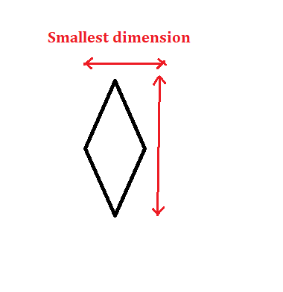

Vickers1 | 370.7 | 324.5 | 330 | 295 | 405 | 272
Vickers2 | 397 | 340 | 382.6 | 367.7 | 304.4

Vickers hardness (kg/mm^2) | 383.85 | 332.25 | 356.3 | 331.35 | 354.7 | 272

Yield strengh (Gpa) | 1.2795 | 1.1075 | 1.1876666667 | 1.1045 | 1.1823333333

